FUSION1
Binary Classification | Adel13A_1 |  | 0 | 1 |  | GPS Eval. |  | Building name: | Adelheid Str 13 A
 |  |  | outdoor | indoor

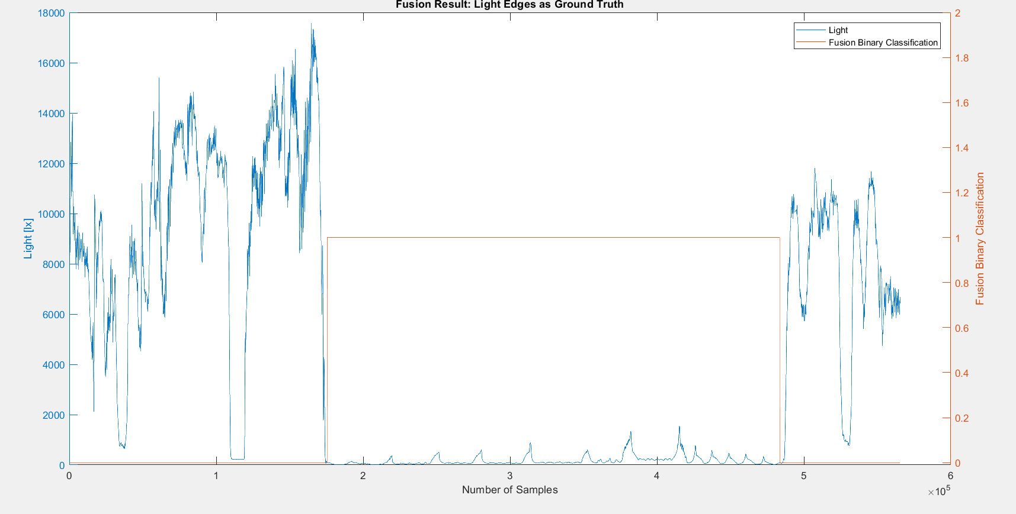
 |  | Note: We interpolated all the datasets over data collection time interval, then fused them
 |  | Raw | Magnetic |  |  |  |  |  |  | Fusion Result: Light edges as ground truth
 |  | flags | Binary classification result

 |  | n= 565563 |  | indoor | outdoor | SUM
 |  |  |  | T | F
 |  | indoor | T | 307999 | 2313 | 310312 |  | sum | 565563
 |  | outdoor | F | 0 | 255251 | 255251
 |  | SUM |  | 307999 | 257564

 |  |  |  | sum | 565563

 |  | TP or (Recall) | 0.99254621155
 |  | TN | 1
 |  | Precision | 1 |  |  |  | Ground Truth
 |  | Accuracy | 0.99591026994 |  |  |  | 175501 | 485813
 |  | F Score | 0.99625916408

 |  | Ground truth: | large edges of GPS at entrances.

FUSION2
Binary Classification | Adel13A_2 |  | 0 | 1 |  | GPS Eval. |  | Building name: | Adelheid Str 13 A
 |  |  | outdoor | indoor

 |  | Note: We interpolated all the datasets over data collection time interval, then fused them
 |  | Raw | Magnetic |  |  |  |  |  |  | Fusion Result: Light edges as ground truth
 |  | flags | Binary classification result

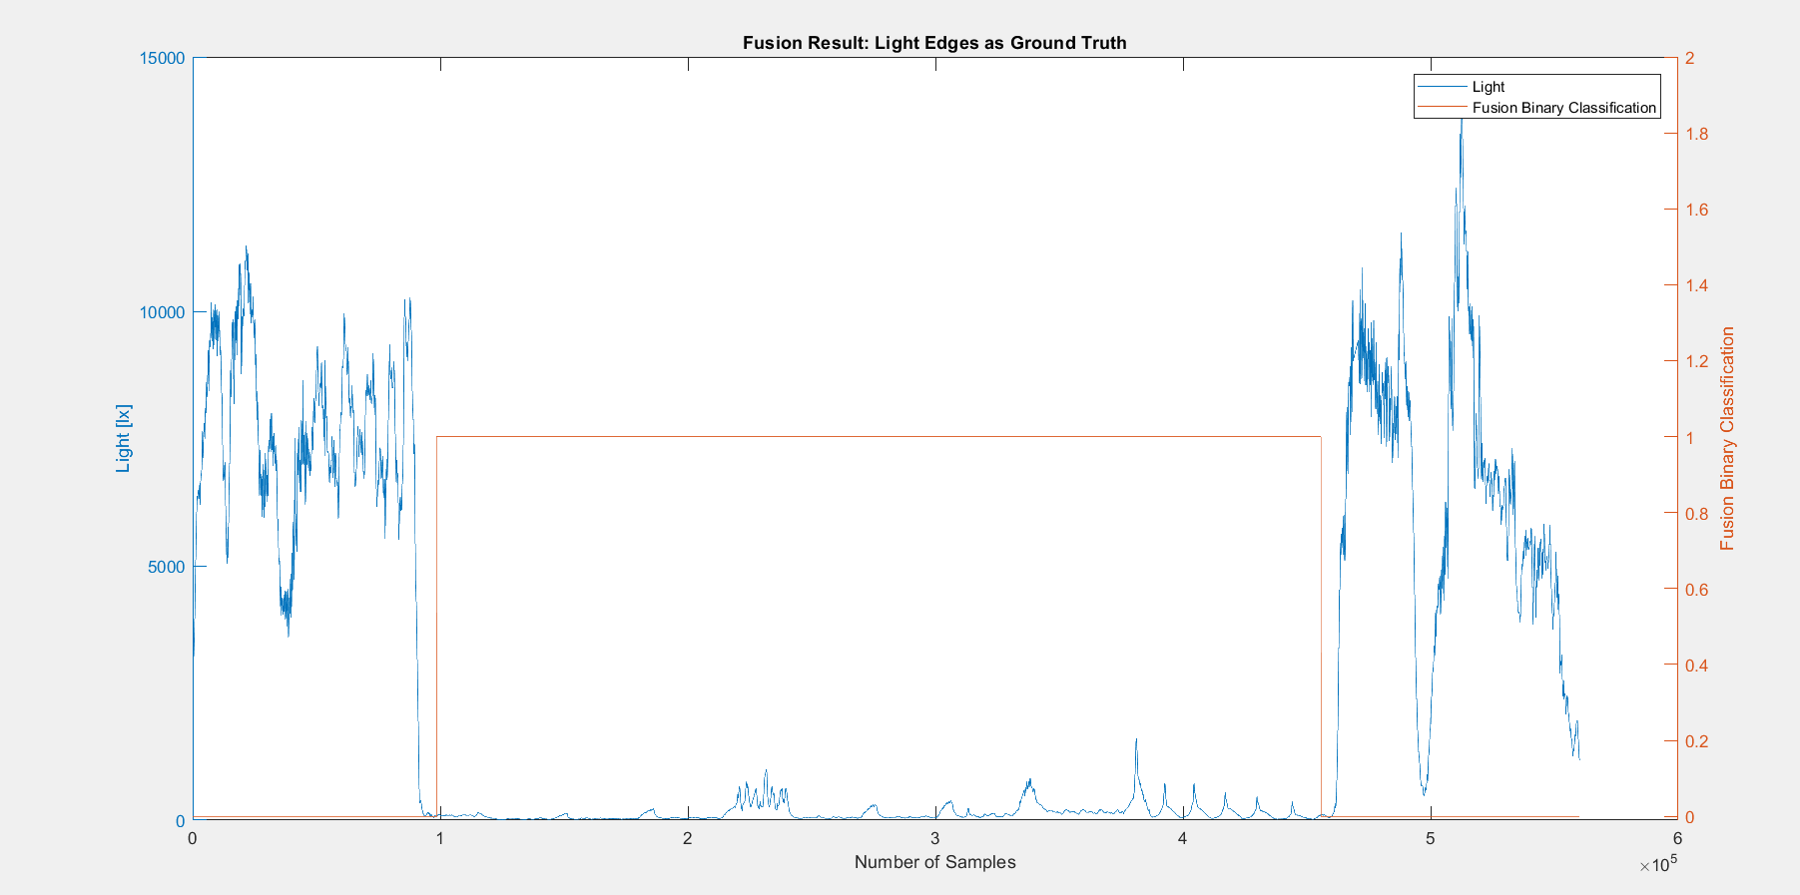
 |  | n=560179 |  | indoor | outdoor | SUM
 |  |  |  | T | F
 |  | indoor | T | 356952 | 10744 | 367696 |  | sum | 560179
 |  | outdoor | F | 0 | 192483 | 192483
 |  | SUM |  | 356952 | 203227

 |  |  |  | sum | 560179

 |  | TP or (Recall) | 0.97078020974
 |  | TN | 1
 |  | Precision | 1 |  |  |  | Ground Truth
 |  | Accuracy | 0.98082041633 |  |  |  | 92719 | 460415
 |  | F Score | 0.98517349113

 |  | Ground truth: | large edges of GPS at entrances.

FUSION3
Binary Classification | Adel13A_3 |  | 0 | 1 |  | GPS Eval. |  | Building name: | Adelheid Str 13 A
 |  |  | outdoor | indoor

 |  | Note: We interpolated all the datasets over data collection time interval, then fused them
 |  | Raw | Magnetic |  |  |  |  |  |  | Fusion Result: Light edges as ground truth
 |  | flags | Binary classification result

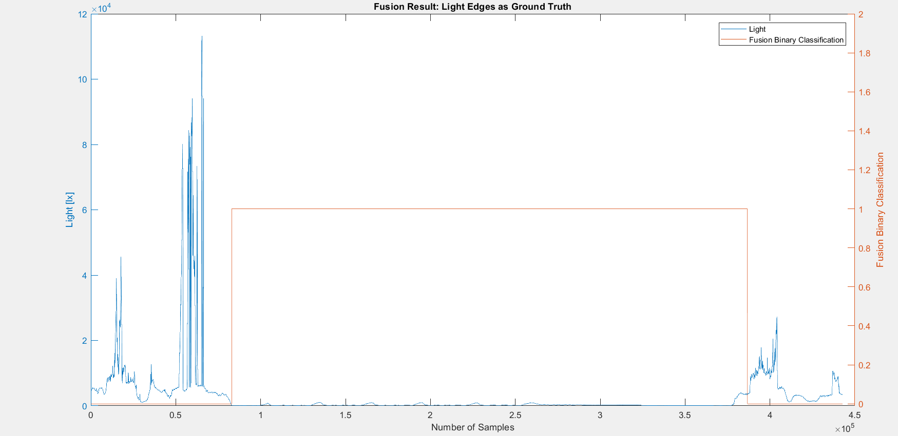
 |  | n=442741 |  | indoor | outdoor | SUM
 |  |  |  | T | F
 |  | indoor | T | 294798 | 0 | 294798 |  | sum | 442741
 |  | outdoor | F | 9005 | 138938 | 147943
 |  | SUM |  | 303803 | 138938

 |  |  |  | sum | 442741

 |  | TP or (Recall) | 1
 |  | TN | 0.93913196299
 |  | Precision | 0.97035908138 |  |  |  | Ground Truth
 |  | Accuracy | 0.97966079491 |  |  |  | 82950 | 377748
 |  | F Score | 0.98495659045

 |  | Ground truth: | large edges of GPS at entrances.

FUSION4
Binary Classification | Adel13A_4 |  | 0 | 1 |  | GPS Eval. |  | Building name: | Adelheid Str 13 A
 |  |  | outdoor | indoor

 |  | Note: We interpolated all the datasets over data collection time interval, then fused them
 |  | Raw | Magnetic |  |  |  |  |  |  | Fusion Result: GPS edges as ground truth since light was from night and not reliable
 |  | flags | Binary classification result

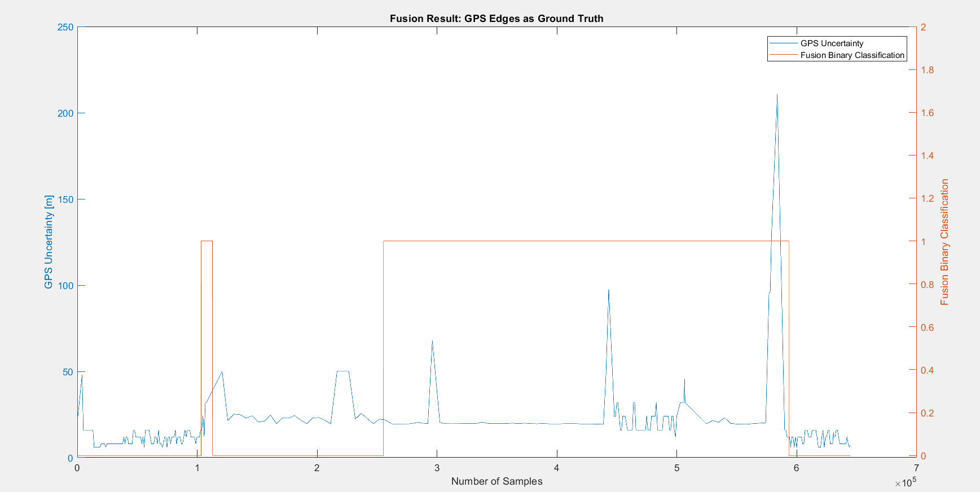
 |  | n=644406 |  | indoor | outdoor | SUM
 |  |  |  | T | F
 |  | indoor | T | 347375 | 142625 | 490000 |  | sum | 644406
 |  | outdoor | F | 0 | 154406 | 154406
 |  | SUM |  | 347375 | 297031

 |  |  |  | sum | 644406

 |  | TP or (Recall) | 0.70892857143
 |  | TN | 1
 |  | Precision | 1 |  |  |  | Ground Truth
 |  | Accuracy | 0.77867214148 |  |  |  | 103296 | 593296
 |  | F Score | 0.82967607106

 |  | Ground truth: | large edges of GPS at entrances.

